Top performing models (2)
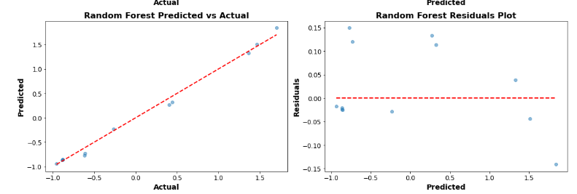
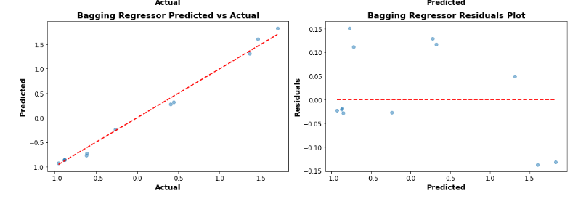
 | Top Performing Machine Model for Production Tanks 22MT - All Phases
Model Type | Model | Train MSE | Train MSE- Tuned | Test MSE | Test MSE- Tuned | Train R2 | Train R2- Tuned | Test R2 | Test R2- Tuned | Best Parameters
Linear | Linear Regression | 0.02 | 0.02 | 0.01 | 0.01 | 0.98 | 0.98 | 0.99 | 0.99
 | Ridge Regression | 0.02 | 0.02 | 0.01 | 0.01 | 0.98 | 0.98 | 0.99 | 0.99 | 'alpha': 0.1
Ensemble/Tree Based | Random Forest Regressor | 0.00 | 0.00 | 0.01 | 0.01 | 1.00 | 1.00 | 0.99 | 0.99 | max_depth': None, 'n_estimators': 100
Ensemble | Bagging Regressor | 0.00 | 0.00 | 0.01 | 0.01 | 1.00 | 1.00 | 0.99 | 0.99 | 'max_features': 1.0, 'max_samples': 1.0, 'n_estimators': 200

The Random Forest Regressor, Ridge Regression, and Linear Regression all have high Train R2-Tuned and Test R2-Tuned values, making them top contenders for this dataset. While the Bagging Regressor also has a high R2-Tuned score, the inclusion of Linear Regression in the top three emphasizes its simplicity and general applicability in many scenarios.

Considering train scores alongside test scores is important because it can help identify whether a model is potentially overfitting (where the training score is significantly better than the test score) or underfitting (where both training and test scores are poor).

